Succulents
47
PO BOX 157, ROBERTSON 6705, RSA
TEL: +27 (0)23 626 4133
E-MAIL: sheilam@lando.co.za
WEBSITE: www.sheilamnursery.com

SUCCULENT PLANTS CATALOGUE 2026

IMPORTANT - PLEASE READ:

1. This list cancels all previous lists.
2. Empty prices - currently not available
3. The list will be updated as needed
4. Photos can be provided on request

BUSINESS HOURS
The garden is open Monday -- Thursday from 8am-5 pm. Friday 8am-4pm. Sat / Public holidays 9am-2pm
Closed on Sundays and religious holidays (Good Friday, 25 & 26 December and 1st January)

*Nurseries / clients / landscapers requiring specialist attention, by appointment only Monday to Friday.
* Visiting the green houses by appointment only from Monday to Friday

THE FOLLOWING CONDITIONS OF SALE APPLY TO RSA BUYERS.
Minimum order: R400
Postage & packaging determined by weight and mode of transport (min R150 with Courier Guy)
RSA clients: Prices exclude 15% VAT.
Payment: EFT /card/cash

THE FOLLOWING CONDITIONS OF SALE APPLY TO OVERSEAS BUYERS.
Please confirm with your authorities correct import requirements / customs regulations. We can provide guidance from experience, but the onus is on the buyer to ensure all import / custom documents are in order.

Added costs: Phytosanitary @ ZAR1,090, CITES @ ZAR900 if required, Cape Nature export permit @ R170
Payment via EFT and Paypal accepted
Postage & packaging determined by weight and mode of transport (approx. 40% of order value)
For heavy caudiciform plants it can be 1.5 times the cost of the plants
MAILWISE parcels minimum of R950

Sheilam is not responsible for any losses due to: incorrect documentation / parcels lost in transit or in country of destination

THIS IS NOT AN AVAILABILITY LIST AS STOCK CAN VARY WITH THE SEASONS

TO ORDER: Please complete add quantity column
* POR: price on request for individual specimens
* no price…..out of stock

Updated 4/2026

Species | Variety / Description / Locality |  |  | Price range from (ZAR) |  | Add quantity | Total
ACRODON
 | bellidiflorus |  |  | 35
ADENIA
 | fruiticosa |  |  | 85 | 300
ADENIUM
 | multiflorum | (impala lily) |  | 115 | 350
ADROMISCHUS
 | alstonii |  | Steinkopf | 32
 | caryophyllaceus |  | Robertson | 32
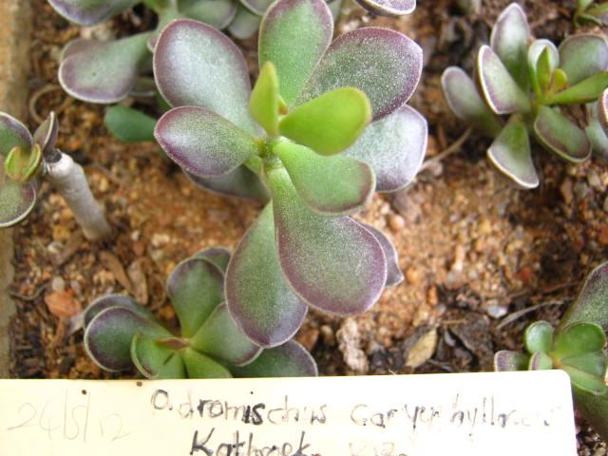
 | caryophyllaceus |  | Kathoek | 32
 | cooperii |  |  | 32
 | cristatus |  | curly edge | 32
 | fallax |  |  |  |  | sold out
 | fallax | PVB2970 | Graaf Reinet (Limited) | 47
 | filicaulis |  |  | 32
 | filicaulis | ssp marlothii |  | 32
 | humilis | PVB3110 |  |  |  | sold out
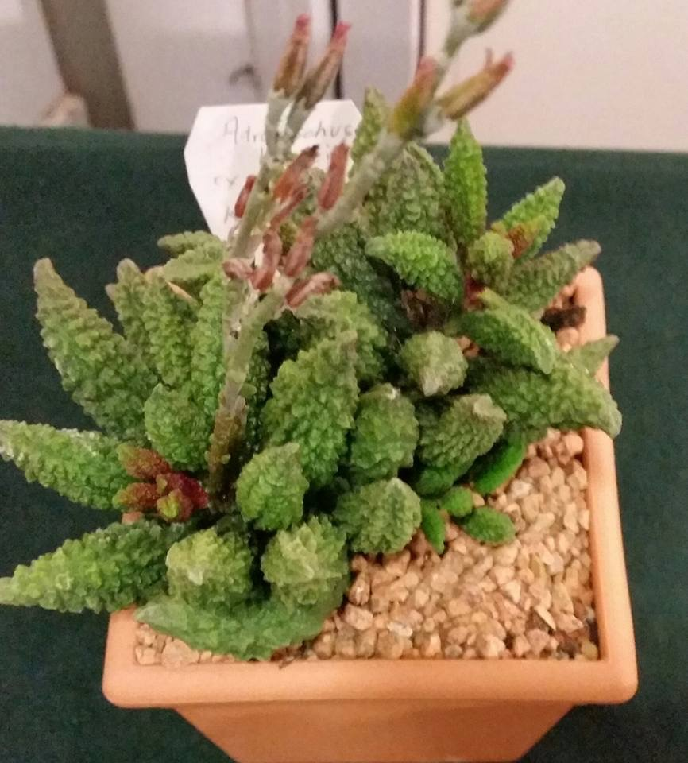
 | leucophyllus |  | Montagu | 32
 | leucophyllus |  | Laingsburg (Limited) | 32
 | leucophyllus |  | Warmwaterberg, Barrydale (limited) | 32
 | liebenbergii |  | Boelhouer (limited) | 32
 | liebenbergii |  | S. Laingsburg | 32
 | maculatus |  | Mosselbaai | 32
 | maculatus |  | Venterskop, Calitzdorp | - |  | sold out
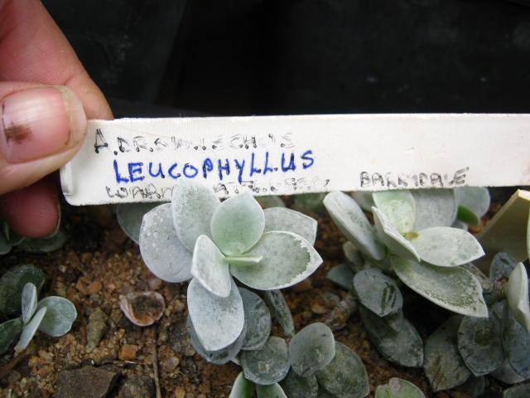
 | marianae | v immaculatus |  | - |  | sold out
 | marianae | v immaculatus | f herrei (Limited) | 57
 | marianae | v marianae |  | 57
 | marianae | v kubusensis | NW Steinkopf | - |  | sold out
 | marianae |  | Clanwillaim | 32
 | montium-klinghardtii |  |  | 32
 | nanus |  |  |  |  | sold out
 | phillipsiae |  | Ouberg |  |  | sold out
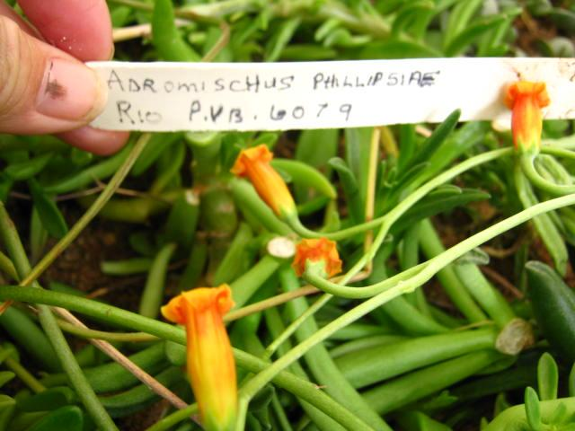
 | phillipsiae | PVB6079 | Kubiscouberg. Loeriesfontein |  |  | sold out
 | roaneanus |  |  | 32
 | schuldtianus |  | Umdaus |  |  | sold out
 | schuldtianus |  | Auros Mountains | 32
 | sphenophyllus |  |  | 32
 | ssp. | PVB4407 | Mpunzi Drift, KZN | 32
 | ssp. viridis | PVB6044 | Calvinia | 32
 | triflorus |  | S. Laingsburg (Limited) | 32
 | trigynus |  | Prieska (Limited) | 32
AEONIUM
 | arborum | v atropurpureum | (single/ rooted cuttings) | 32 | 190
 |  | swartzkopf |  | 55
 | teneriffae | viscatum |  | 32
 | teneriffae | tabulaforme | (cristate form) | 120
 | teneriffae | tabulaforme | (fairy platter) | 70 | 190
AGAVE
 | americana | medio-picta |  | 45 | 890
 | attenuata | (foixtail/elephant trunk/sonkyker) | small --70cm d | 195 | 495
 | attenuata |  | 80cm - 1m | 600 | 795
 | ferdinandi regis |  | small | 95 | 225
 | geminiflorus |  | small | 125 | 280 | sold out
 | istmenthis |  |  | 125 | 350
 | parryi |  |  | 350
 | titanota |  | small (limited) | 190
 | shawii |  |  | 210 | POR
ALLUAUDIA | CITES
 | procera | 40cm single stem | unrooted | 45
 |  | 50cm single stem | unrooted cutting | 80
 |  | 50cm single stem | rooted | 125
 |  | 80-100cm |  | 380
 |  | medium branched | 40-60cm | 350 | 550
 |  | large with branches | 80cm - 100cm | 875
 |  | large with branches | > 1m | 1,000
 |  | specimen | 1.5+ | POR
ALOE | CITES
 | arborescens |  | cuttings | 25 | 65
 | arborescens |  | Medium - large plants | 180 | 240
 | aristata |  |  | 55 | 95
 | bakeri | Madagascar | cuttings | 55
 | bellatula | Madagascar |  | 65
 | brevifolia |  |  | 50 | 115
 | buhrii |  |  | 95 | POR
 | ciliaris |  |  | 60
 | ferox | small |  | 65
 | ferox | medium to large 80cm |  | 275 | 695
 | ferox | Larger than 80cm (specimen) |  | POR
 | haworthioides |  |  | 90 |  | sold out
 | humilis |  | single-clumps | 30 | 150
 | jacksonii |  |  | 65
 | melanacantha |  |  | 145
 | microstigma |  | seedlings- large | 25 | 295
 | rauhii |  | Madagascar | 60
 | squarrosa (juvenna) |  |  | 70
 | striata | small |  | 45 | 420
 | tenuior |  |  | 30
 | variegata | (Gonialoe) | (Kanniedood) | 50 | 190
 | Hybrids - | flowering size 100cm+ |  |  | POR
ALOIDENDRON
 | barberae (bainesii) |  | small | 45
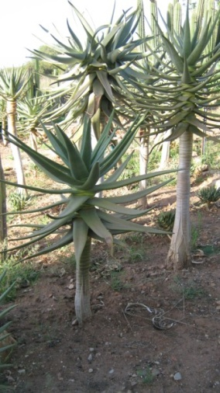
 | barberae (bainesii) |  | 1m | 850
 | barberae (bainesii) |  | specimen | POR
 | dichotoma (Quiver tree) |  | seedling | 45
 |  | 20cm |  | 145
 |  | 30 cm |  | 330
 |  | 40cm |  | 570
 |  | 50-80cm (Ltd stock) |  | 800 | 1,400
 |  | 90-100cm single stem (Ltd stock) |  | 1,605 | 2,005
 |  | 1.5m (Ltd stock) |  | 2,300 | 3,475
 |  | specimen /branched (ltd stock) | from | 5,500 | POR
 | ramosissima |  |  | POR
ALOINOPSIS
 | compactus |  |  | 65
 | luckhoffii |  |  | 65
 | lodewykii |  |  | 65
 | malherbii |  |  | 65
 | peersii |  |  | 65
 | rubrolineata |  |  | 65
 | setifera |  |  | 70
ANACAMPSEROS
 | filamentosa |  |  | 25
 | rufescens |  |  | 30
ANTIMIMA
 | ventricosa |  |  | 60 |  | sold out
ARGYRODERMA
 | brevipes |  |  | 37
 | delaetii | f aureum |  | - |  | sold out
 | delaetii | f delaetii | (white flower) | - |  | sold out
 | delaetii | f roseum | (red flower) | - |  | sold out
 | fissum |  |  | - |  | sold out
 | framesii | ssp hallii |  | 37
 | patens |  |  | - |  | sold out
 | pearsonii | f pearsonii | (red flower) | - |  | sold out
 | subalbum |  |  | 37
 | villetii |  |  | - |  | sold out
ASCLEPIADACEAE SEE SEPARATE LIST

ASPARAGUS
 | densiflorus |  |  | 55 |  | sold out
ASTRIDIA
 | specie |  |  | 25
ASTROLOBA
 | bullulata | Clone 2 | Boelhouwer | 145
 | bullulata |  | MBB7132 | 145
 | bullulata |  | Klein Rietfontein | - |  | sold out
 | bullulata | Clone I | Viskuil | 145
 | bullulata |  | SW Laingsburg | 145
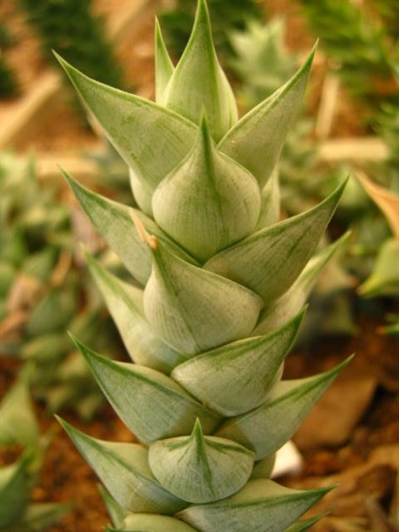
 | foliolosa | ssp deltoidea |  | - |  | sold out
 | foliolosa | var foliolosa |  | 145
 | foliolosa | var foliolosa | Zuurberg, Kaboega | 145
 | foliolosa | var congesta |  | - |  | sold out
 | herrei |  | Prince Albert | - |  | sold out
 | muricata |  | Montagu | - |  | sold out
 | smutsiana |  |  | 145
 | spiralis |  |  | 145
 | robusta |  |  | - |  | sold out
AVONIA | CITES
 | quinaria |  |  | 125 | 250
 | papyracea |  |  | 100 | 250
BEAUCARNEA
 | recurva | (ponytail palm) | seedlings | 15 | 65
 | recurva |  | 10-25cm | 150 | 300
BIJLIA
 | cana |  |  | 40
BOWIEA
 | volubilis |  | small | 55 | 420
BULBS
 | Albuca | concordiana |  | 65
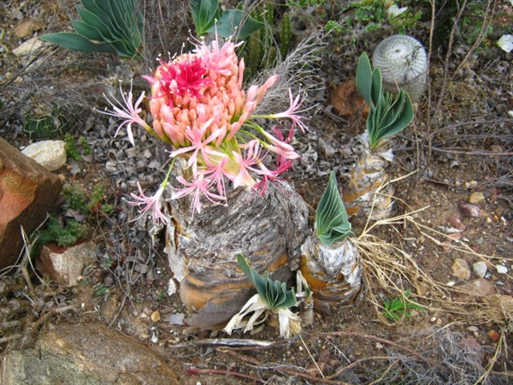
 | Albuca | namaquensis |  | 30
 | Amaryllis | belladonna |  | 60
 | Boophone | disticha | small | 60 | 120
 | Boophone | disticha | medium to large | 650 | POR
 | Boophone | haemanthoides |  | POR
 | Brunsvigia | bosmaniae |  | POR
 | Brunsvigia | josephinae |  | 85
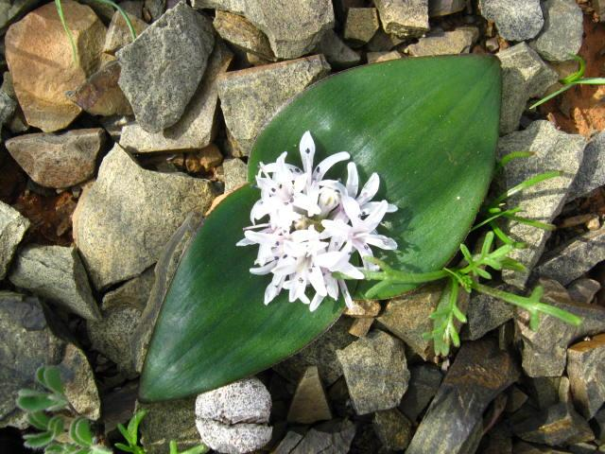
 | Brunsvegia | orientalis |  | 95
 | Bulbine | mesembrianthoides |  | 95
 | Crossyne | flava | seedlings | 30
 | Haemanthus | albiflos |  | 45
 | Haemanthus | coccineus | ltd | 135
 | Massonia | depressum |  | 50 | 125
 | Massonia | echinata |  | 135
 | Veltheimia | capensis | small | 65
BURSERA
 | fagaroides |  | rooted cuttings | 90
 | fagaroides |  | small | 100
CARRUANTHUS
 | peersii |  | cuttings | 35
CEPHALOPHYLLUM
 | alstonii | (red) |  | 50
 | subulatoides |  |  | 50
 | spongiosum |  | cuttings | 60
 | vygies | (yellow, orange, pink, purple) |  | 50
CHEIRIDOPSIS
 | candidissima (denticulata) |  |  | 38
 | cigarettifera |  | Kliprand (cuttings) | 38
 | pillansii |  | W. Springbok (cuttings) | 38
 | purpurata |  |  | 38
 | richardiana |  |  | 38
 | schlecteri |  | Umdaus | 65
 | van Zyl |  | Klipbok (cuttings) (Ltd) | 38
CONOPHYTUM | CITES III
 |  |  |  | 3-7 heads | 8-15 heads
 | angelicae subtetragonum |  | Ltd | 120
 | auriflorum |  |  | - |  | sold out
 | bicarinatum |  | Ltd | 120 | 180
 | bilobum spp bilobum |  |  | 120
 | bilobum spp bilobum |  |  | 120
 |  | f aktum | Ltd | 120
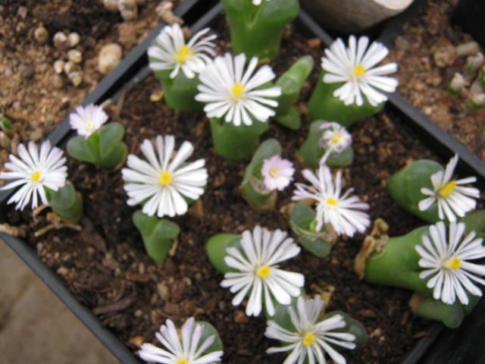
 |  | f dolomitictum | Ltd | - |  | sold out
 |  | f elishae | Ltd | 120
 |  | f muscosipapillatum |  | 120
 |  | f gracilistylum |  | 120
 | bilobum ssp lavisianum |  | Ltd - 1 plant | 120
 | bilobum ssp |  | Klipbok ltd - 5 plants | 120
 | blandum |  | Geselskapbank | 120
 | burgeri |  |  |  |  | sold out
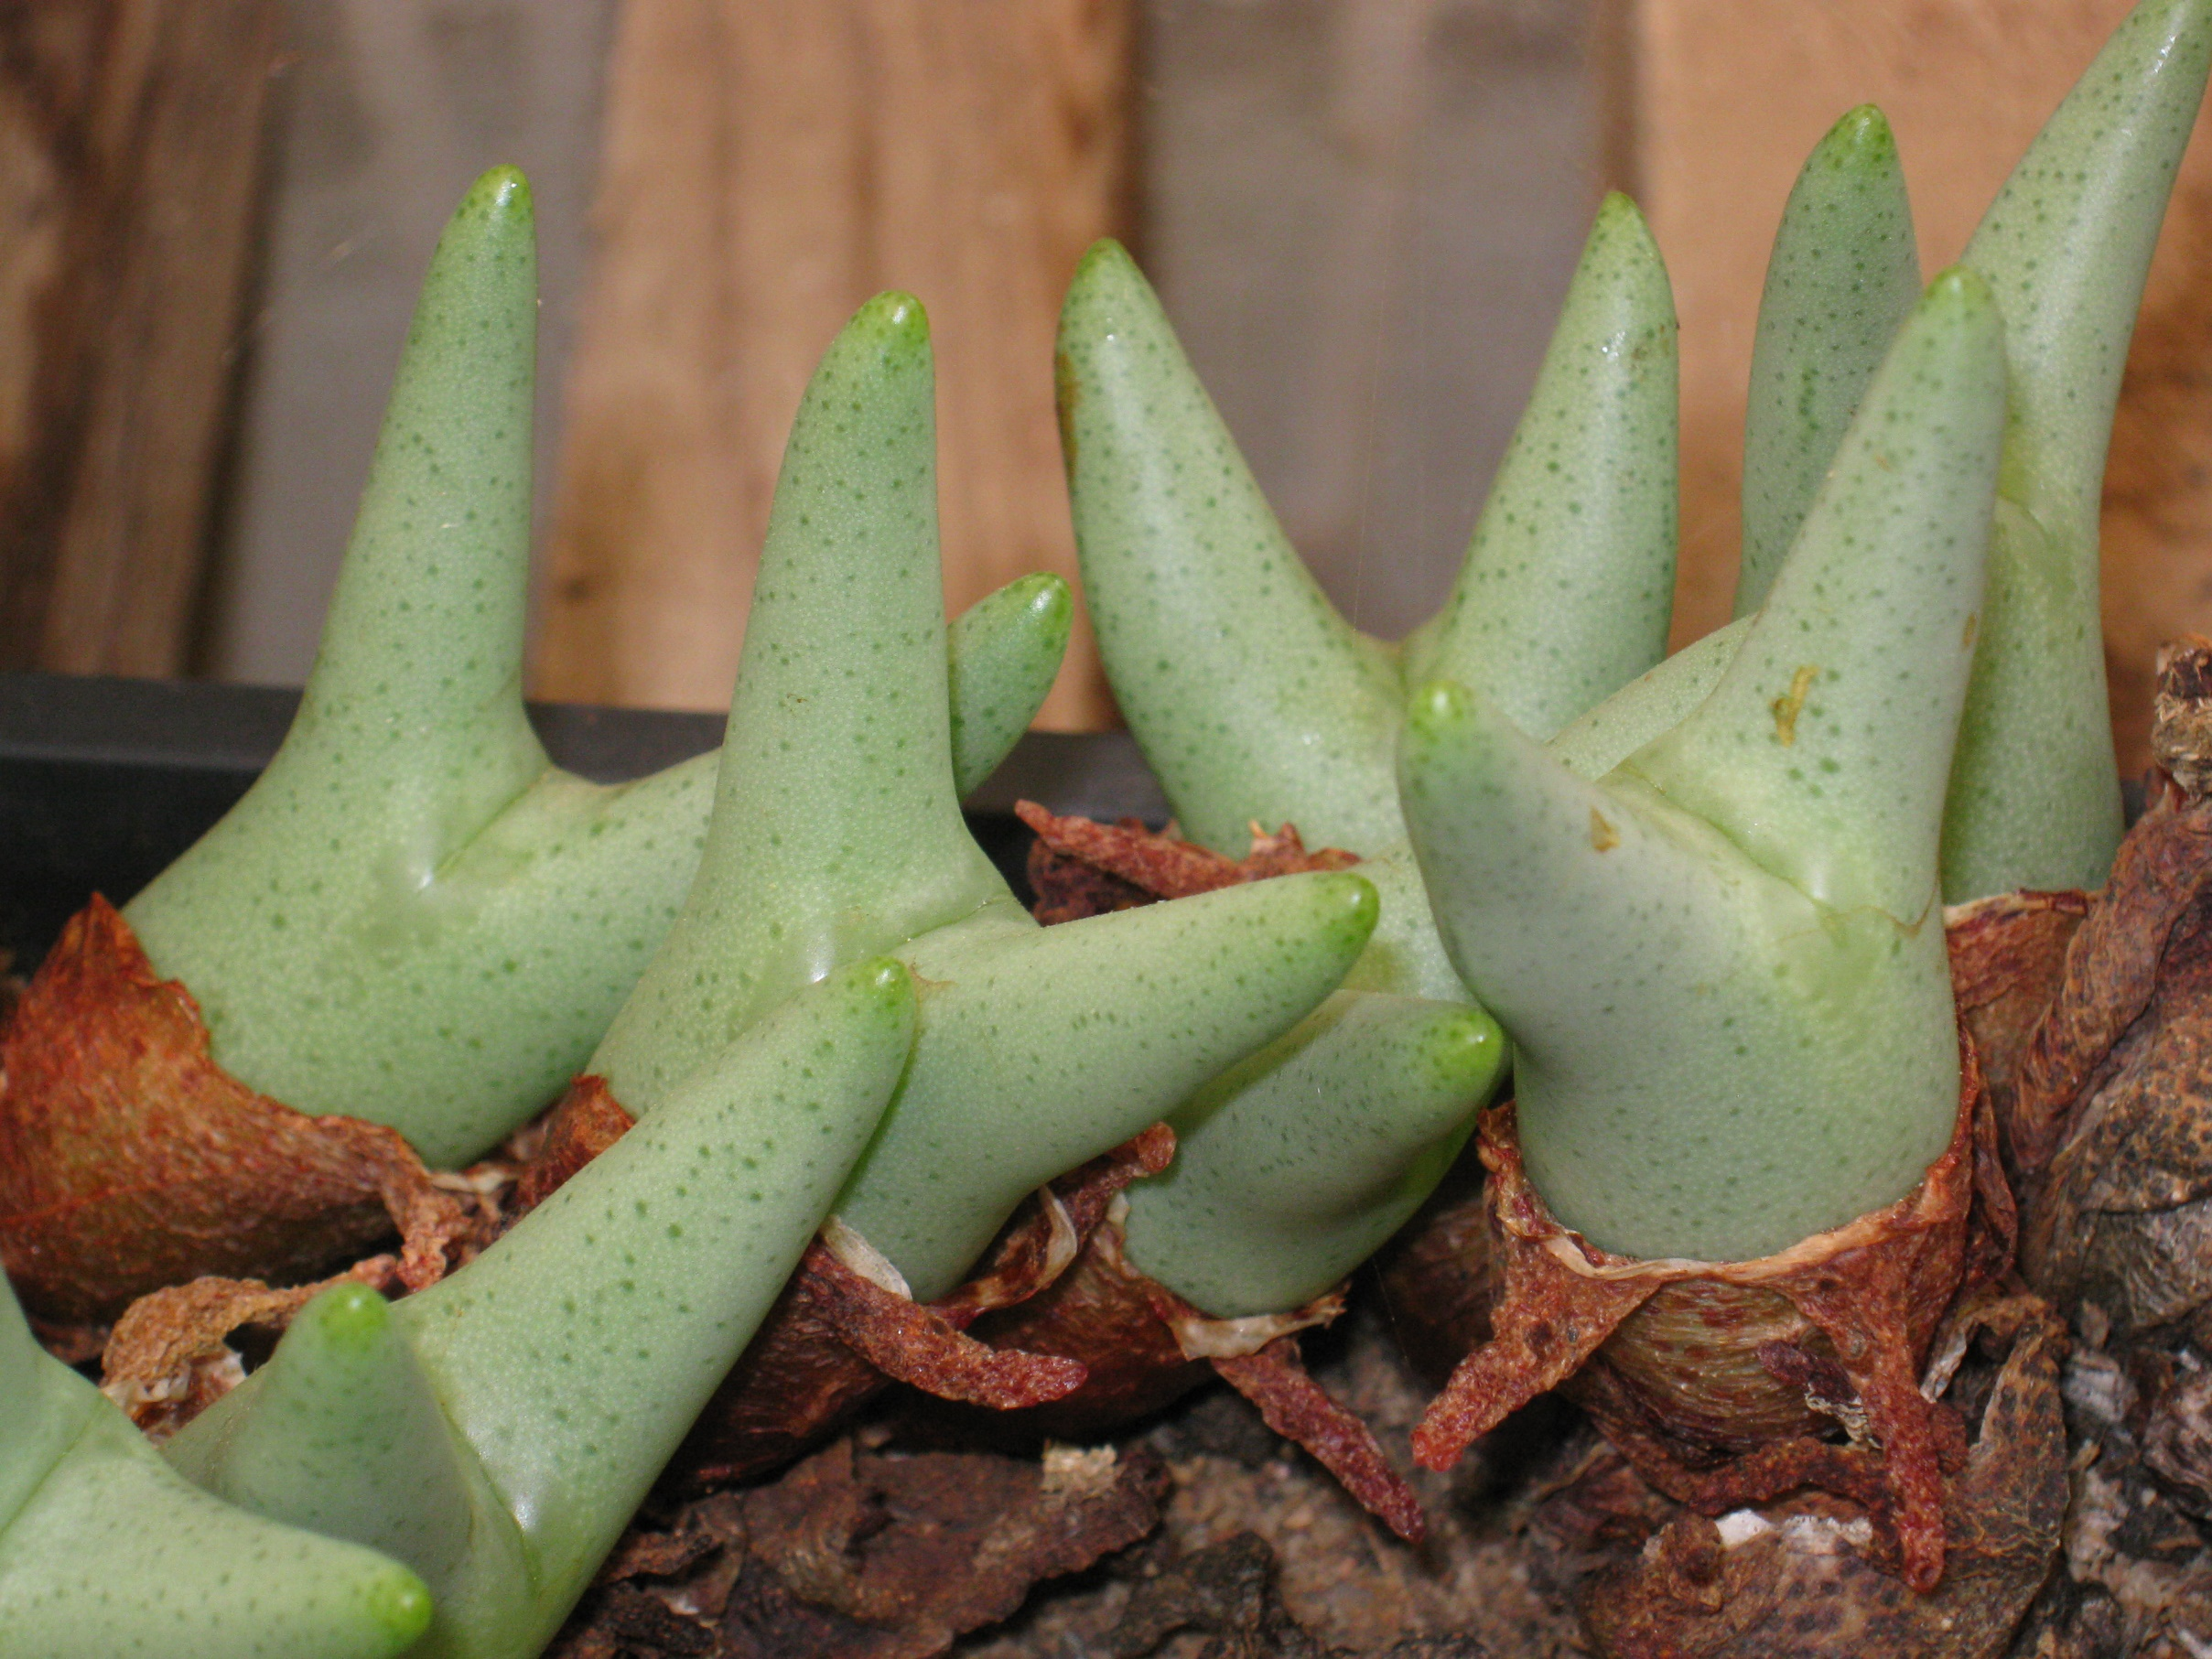
 | calculus |  | (per head) | 60
 | chauviniae |  | Arondegas | 120
 | ectypum |  | Geelvlei Plato | 120
 | ectypum |  | Khuisberg | 120
 | ectypum |  | Eenriet | 120
 | ectypum ssp ectypum |  |  | 120
 | ectypum ssp ectypum |  | f brownii | 120
 | ectypum ssp ectypum |  | f limbatum (ltd) | 120
 | elishae |  | (small form) | - |  | sold out
 | ficiforme | Worcester/Rooiberg/Robertson |  | 120
 | flavum ssp flavum | f ornatum | Umdaus (ltd - 5 plants) | 120
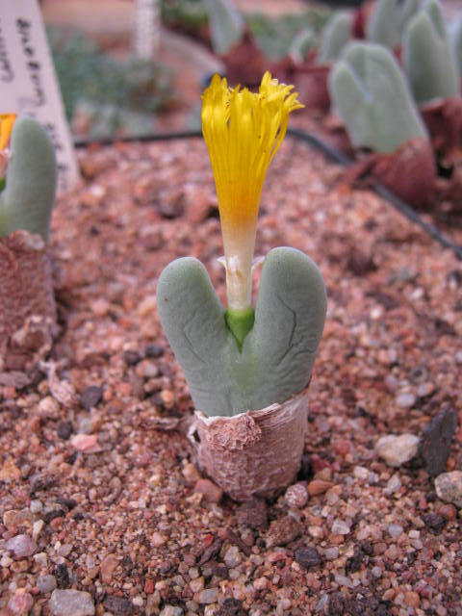
 | fraternum |  | Umdaus | 120
 | friedrichiae |  | (per head) | 75
 | fulleri |  | N. Pofadder | 120
 | fulleri |  |  | 120
 | gratum spp gratum |  |  | 120
 | herrei |  |  | - |  | sold out
 | herreanthus ssp Rex |  | Klipbok | 150
 | hians |  |  | 120
 | inexpectatus |  | N. Umdaus | 120
 | limpidum |  |  | 120
 | lithopsoides | ssp lithopsoides |  | 120
 | loeschianum |  |  | 120
 | longum |  |  | 120
 | lydiae | f harmoepense |  | 120
 | marginatum ssp karamoepense |  | Ltd | 120
 | marginatum ssp marginatum |  |  | 120
 | meyeri |  | small form | 120
 | meyeri | f ovigerum |  | 120
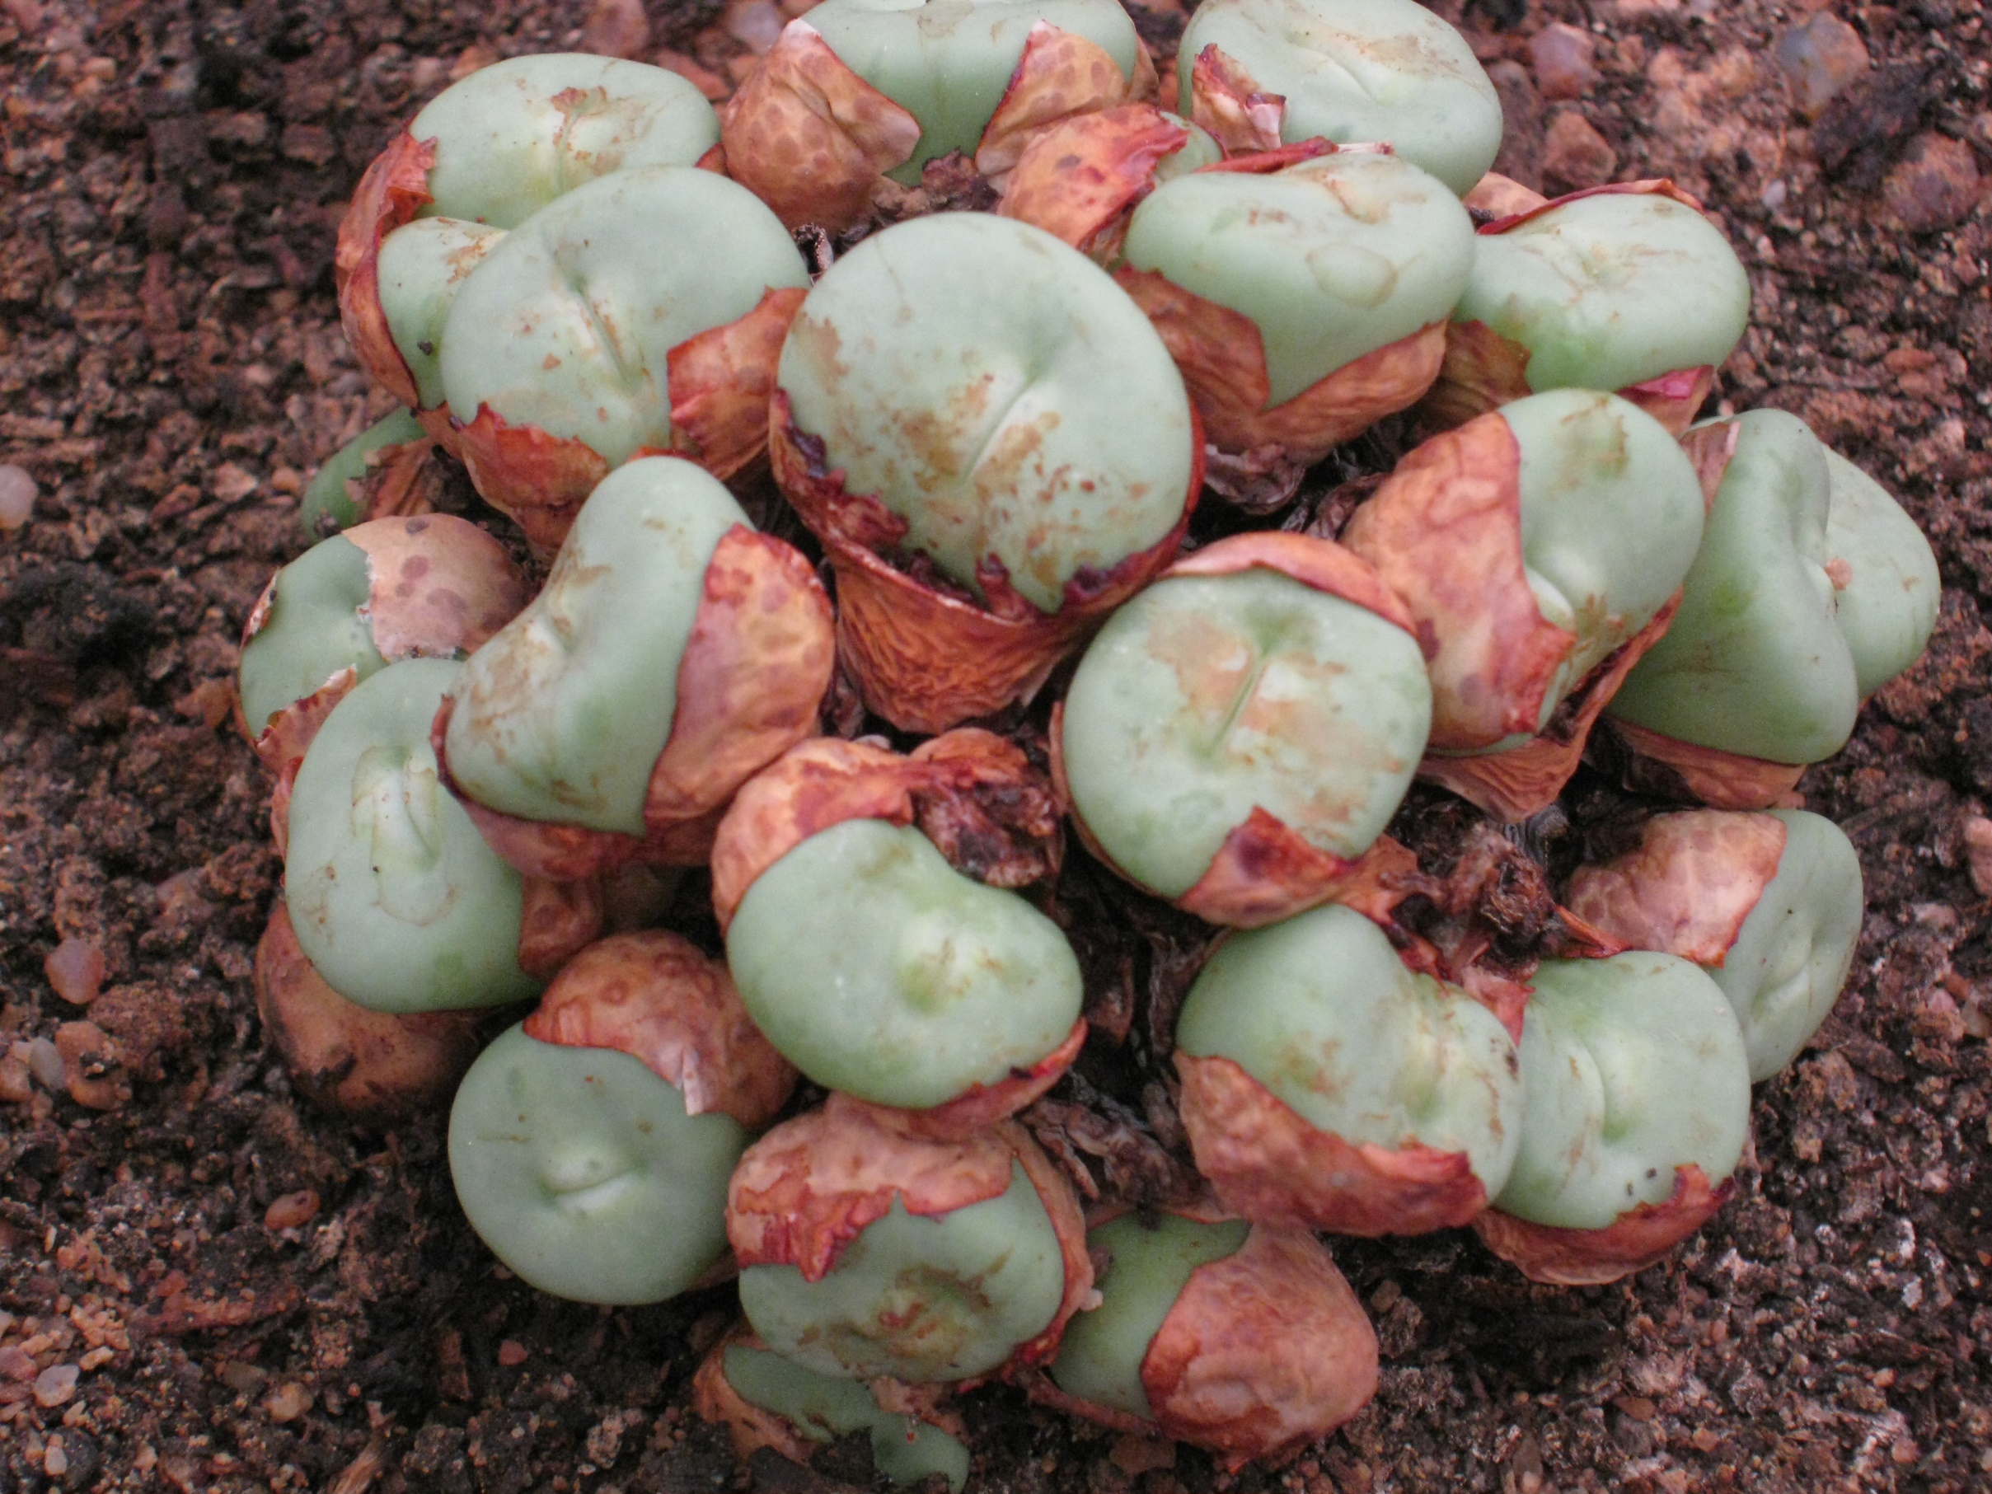
 | minimum | f pictum | Laingsburg | 120 |  | sold out
 | minimum | f pictum | Boelhouer | 120
 | minimum | f pictum | all forms | 120
 | minutum | v minutum |  | 120
 | obscurum |  |  | 120
 | obcordellum ssp obcordellum |  |  | 120
 | obcordellum ssp | f giftbergense |  | 120
 | ophtalmophyllum |  |  | 120
 | pageae |  | Klipbok | 120
 | pageae |  | Rosyntjieberg | 120
 | pearsonii |  |  | 120
 | pellucidum |  | E. Pofadder (per head) | 100
 | pillansii |  |  | 120
 | praesectum |  | Gamoep (per head) | 200
 | praesectum | haramoepense |  | 200
 | ricardianum | ricardianum |  | 120
 | saxetanum | f misellum |  | 120
 | tantillum ssp tantilum | H2296 | Steinkopf | - |  | sold out
 | tantillum ssp tantilum | f eenkokorense |  | 120
 | taylorianum ssp erianum |  |  | - |  | sold out
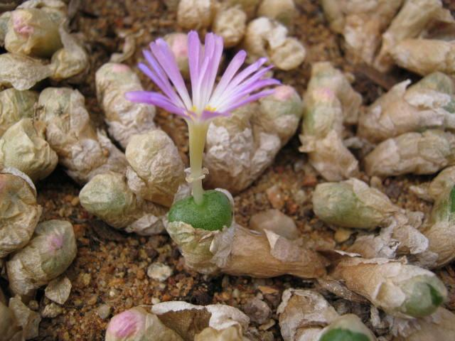
 | truncatum ssp truncatum |  |  | 120
 | truncatum ssp truncatum |  | Prince Albert | 120
 | truncatum ssp truncatum | v wiggettiae | De Rust | 120
 | truncatum ssp truncatum | v wiggettiae | Calitzdorp | 120
 | uviforme ssp uviforme |  | W. Kliprand | 120
 | truncatum ssp subincanum |  |  | 120
 | velutinum |  | Brandrivier | 120
 | velutinum | f cinereoviride |  | - |  | sold out
 | viridicatum |  |  | 120
 | wettsteinii |  | Kliphoogte | 120
 | wettsteinii ssp fragile |  | no locality | 120
 | wettsteinii ssp fragile |  | Helskloof | 120
COTYLEDON
 | ladismithiensis ssp ladismithiensis |  |  | 60
 | orbiculata |  | (rooted cuttings) | 48
 | orbiculata |  | Boegoeberg | 48
 | papillaris (syn muirii) |  |  |  |  | sold out
 | pendans |  |  | 48
 | tomentosa | (bear paws) |  | 55
CRASSULA
 | acutifolia |  | Goudmyn | 25 | 65
 | alstonii | Ltd |  | 100
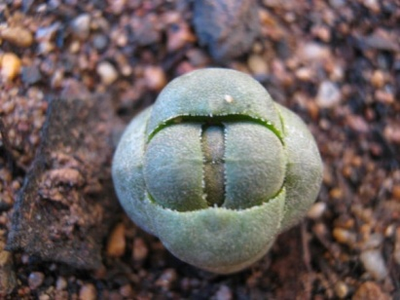
 | arborescens |  | small - medium | 25 | 65
 | arborescens |  | Large | 150
 | arborescens "curly grey" |  | small - medium | 25 | 65
 | arborescens "curly grey" |  | Large | 150
 | argenteo- maculosa |  |  | 25 | 65
 | atropurpurea |  |  | 25 | 65
 | barklyi (teres) |  |  | 25 | 65
 | capitella |  |  | 25 | 65
 | columnaris | Ltd |  | 50 | 65
 | columella |  |  | 30 | 70
 | corymbulosa |  |  | 25 | 65
 | cotyledonis |  |  | 25 | 65
 | deceptor |  |  | 30 | 65
 | deltoidea |  |  | 30 | 65
 | falcata |  |  | 20 | 90
 | lycopodioides |  |  | 20 | 60
 | marnieriana |  |  | 30 | 70
 | namaquensis |  | Umdaus | 25 | 65
 | nudicaulis | platyphylla |  | 25 | 65
 | orbicularis |  |  |  |  | sold out
 | ovata |  | money plant' | 30 | 70
 | perforata |  |  | 25 | 65
 | piramidalis |  |  | 45 | 115
 | platyphylla |  |  | 25 | 65
 | pseudohemisphaerica |  |  | 25 | 65
 | rupestris |  | Table Mountain | 25 | 65
 | rupestris |  | Matjiesfontein | 25 | 65
 | socialis |  |  | 20 | 60
 | subaphylla |  |  | 25 | 65
 | tecta |  |  | 25 | 65
CYPHOSTEMMA
 | bainesii | (butterwood tree) | Caudex: 5-10cm H; 5cm W | 65
 | bainesii |  | Caudex: 10-15cm H; 5cm W | 125
 | bainesii |  | Caudex: 10-15cm H; 5cm-10cm W | 150 | 200
 | bainesii |  | Caudex: 15-20cm H; 5cm-10cm W | 250
 | bainesii |  | Caudex: Double stem: 15cm H; 10-15cm W | 300 | 350
 | bainesii |  | Caudex: 20cm H; 10-15cm W | 450
 | bainesii |  | specimen | POR

 | cirrhosum |  | limited | 195

 | currori hybrids |  | limited | 115 | 450
 |  |  | specimen | POR

 | juttae | (bushman grape) | Caudex: 5-10cm H; 5cm W | 65
 | juttae |  | Caudex: 10-15cm H; 5cm W | 125
 | juttae |  | Caudex: 10-15cm H; 5cm-10cm W | 150 | 200
 | juttae |  | Caudex: 15-20cm H; 5cm-10cm W | 250
 | juttae |  | Caudex: Double stem: 15cm H; 10-15cm W | 300 | 350
 | juttae |  | Caudex: 20cm H; 10-15cm W | 450
 | juttae |  | specimen | POR

 | juttae/bainesii hybrids |  | See above for bainesii/juttae
 |  |  | specimen | POR
DACTYLOPSIS | (Phyllobolis)
 | digitata |  |  | 105 |  | sold out
DASYLIRION
 | longissimum |  | small-med | 60 | 250
 | wheelerii |  | small-med | 60 | 250
DIOSCOREA (TESTUDINARIA)
 | elephantipes | (elepant foot) | 2cm diam | 55
 |  |  | 3cm | 85
 |  |  | 4cm | 125
 |  |  | 5cm | 155
 |  |  | 6cm--7cm (limited stock) | 215 | 285
DUDLEYA | CITES
 | specie |  |  | 125 | 450
ECHEVERIA (Desert rose)
 | agavoides | ‘lipstick’ | ltd | 35 | 125
 | Black Prince | (cultivar) |  | 35 | 60
 | blue curls' | (curly leaf) | small / large | 60 | 125
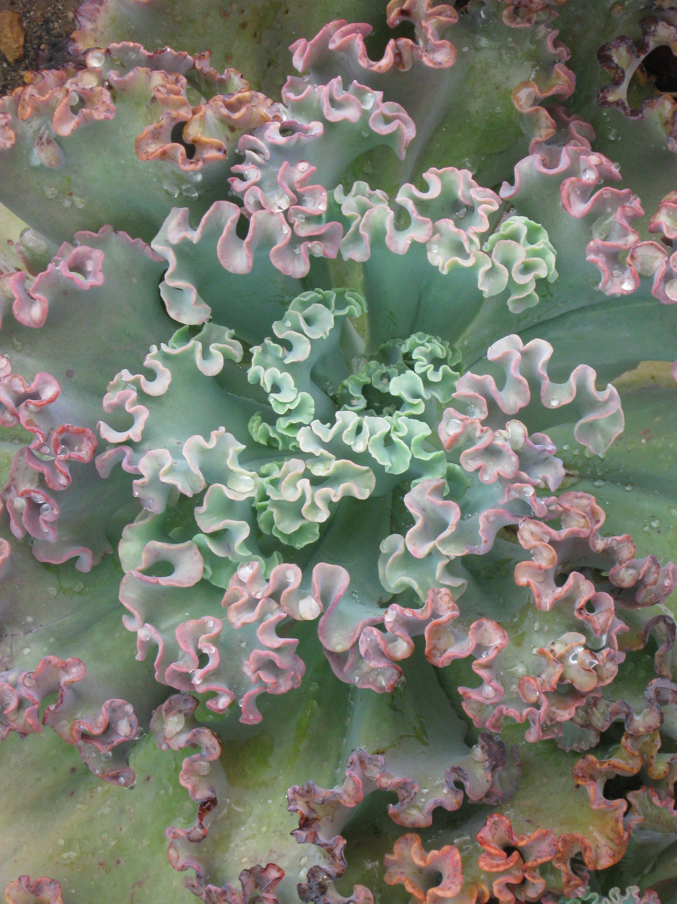
 | derenbergia |  |  | 45
 | Dicks pink |  |  | 60 | 125
 | "Doris Tailor" |  |  | 35 |  | sold out
 | elegans |  |  | 35 | 55
 | glauca |  |  | 35 | 55
 | oviferum |  |  | 45
 | potosorum |  |  | 45
 | pulvinata |  |  | 45
 | purple pearl |  |  | 45 | 125
 | setosa |  |  | 45 |  | sold out
 | shaviana |  |  | 60 | 125
 | topsy turvy |  |  | 50
 | specie | pink in colour |  | 45 | 125
ERYTHRENA
 | acanthocarpa |  |  | 115
EUPHORBIA | CITES
 | aeruginosa |  | rooted cuttings | 48
 | avasmontana |  | small | - |  | sold out
 | bipleurifolia |  | small | - |  | sold out
 | bayeri |  |  | 40
 | caput-medusae |  | small | 90
 | clandestina |  |  | 30-60 | 120
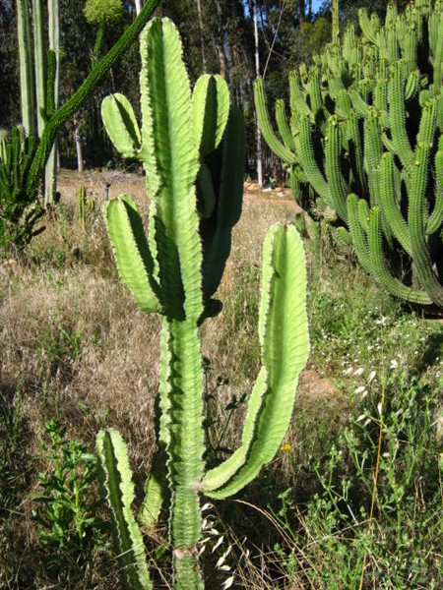
 | clava |  |  | 60 | 120
 | coerulescens |  | unrooted cuttings | 80 | 150
 | cylindrifolia | v tubifera | rooted cuttings | 65
 | decaryi |  | rooted cuttings | 65
 | evansii |  |  | - |  | sold out
 | enopla |  | seedlings | 55 | 130
 | globosa |  |  | 55
 | gorgonis |  |  | 55
 | grandicornis |  | small / large | 45 | 450
 | hamata |  | small | - |  | sold out
 | heptagona |  | cuttings | 45
 | horrida | v noordveldensis |  |  |  | sold out
 | horrida | v striata | W. Kampher | 55
 | ingens | (candalabrum) | ROOTED cuttings 50cm (R9/cm) | 450 | POR
 | jansenvillensis |  |  | 85
 | japonica' | suzannae X bipleurifolia |  | 85 | 210
 | knuthii |  | cuttings | 50
 | louwii |  |  | 40
 | mauritanica |  | small -- large | 30 | 180
 | mammilaris | (corn-cob plant) |  | 40
 | meloformis | (melon spurge) |  | 65 | 450
 | millii | var millii | single -- branched | 50 | 150
 | millii | var hislopii | single -- branched | 50 | 170
 | monteiroi |  |  | 50 | 120
 | muirii |  |  | 145 |  | sold out
 | multifolia |  |  | 80
 | nesemannii |  |  | 50
 | obesa |  | seedlings | 55
 | obesa |  | 2-3cm | 70
 | obesa |  | 3-4cm | 100
 | obesa |  | 4-5cm | 140
 | obesa |  | >4-5cm | 180 | 450
 | polygona |  |  | 140
 | pseudocactus |  | (cuttings) | 30
 | pseudoglobosa |  |  | 40
 | resinifera |  | (unrooted cuttings) | 50
 | schoenlandii |  |  | 145 |  | sold out
 | squarrosa |  | small- med | 180 | 280
 | stellaspina |  |  | 95 | 160
 | stellatus |  |  | - |  | sold out
 | stenoclada |  | (rooted cuttings) | 215
 | suzannae |  |  |  |  | sold out
 | tetragona |  | (cuttings) | 45
 | tirucalli | (fire sticks) |  | 50 | 500
 | triangularis |  |  | 45 | 190 | sold out
 | trichadenia |  |  | 150 |  | sold out
 | tuberculata |  |  | 145
 | valida |  |  | 95
 | woodii |  | small | 65
FAUCARIA
 | candida |  | (white flower) | 70
 | hooleae |  |  | 50 | 150
 | paucidens | MBB6576 | Cookhouse | 50 | 150 | sold out
 | subintegra |  |  | 50 | 150
 | tigrina |  |  | 50
 | tuberculosa |  |  | - |  | sold out
 | spp. |  | Hentz Dam | 50 | 150
FENESTRARIA | (rhopalophylla)
 | aurantiaca |  |  | 45 | 150
FOCKEA
 | edulis | (Kambroo) | small | 85 | 180
GASTERIA
 | acinacifolia |  | Port Elizabeth | - |  | Sold out
 | batesiana |  | Penge | 45 | 215
 | batesiana |  | Pongola | 45 | 215
 | batesiana |  | Clone 1,2,3 | 45 | 215
 | batesiana |  | No Locality | 45 | 215
 | baylissiana |  | no locality | - | 215 | Sold out
 | baylissiana | 476-86 | Swartrivierpoort | 45 | 215
 | baylissiana |  | Oudekraal | 45 | 215
 | baylissiana | 249-63 | Oudekraal | 45 | 215
 | bicolor | v bicolor | no locality | 45 | 215 | Sold out
 | bicolor | v bicolor | Cookhouse | 45 | 215
 | bicolor | v bicolor | Grahamstown | 45 | 215
 | bicolor | v bicolor | Kei Bridge | - | 215 | Sold out
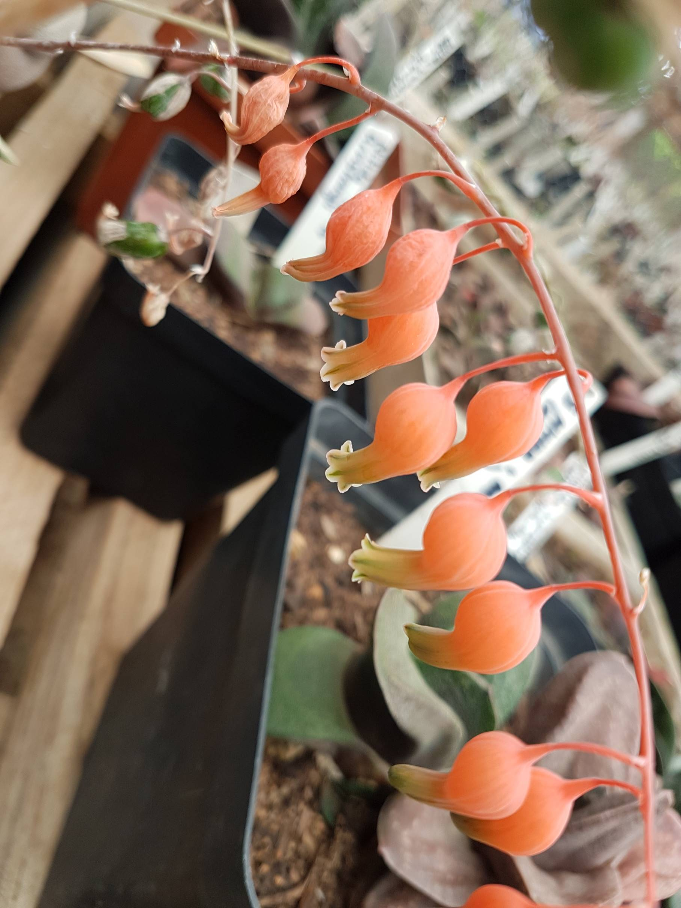
 | bicolor | v bicolor | Oakhill Farm | 45 | 215
 | bicolor | v bicolor | Plutovale | 45 | 215
 | bicolor | v bicolor | Stutterheim | 45 | 215
 | bicolor | v lilliputana | Plutosvale | 45 | 215 | Sold out
 | bicolor | v lilliputana | Grahamstown | 45 | 215
 | brachyphylla | v brachyphylla | no locality | 45 | 215
 | brachyphylla | v brachyphylla | Huisrivierpas | 45 | 215 | Limited
 | brachyphylla | v brachyphylla | N.E. Montagu | 45 | 215
 | brachyphylla | white streaks - hybrid |  | 45 | 215
 | brachyphylla | v bayeri | no loc | 45 | 215
 | carinata v carinata |  | no locality | 45 | 215
 | carinata v carinata |  | Herbertsdale | 45 | 215
 | carinata v carinata |  | Maanskynkop | 45 | 215
 | carinata v carinata |  | Slangrivier | 45 | 215
 | carinata v carinata | 846-60 | Mieliebos | 45 | 215
 | carinata v carinata | EVJ495-86 | Luiperdskop | 45 | 215
 | carinata verrucosa |  | no loc | 45 | 215
 | carinata verrucosa | 473 - 86 | Ex Hort | 60 | 215
 | carinata verrucosa | 831-69 | Snow Cap | 60 | 215
 | croucheri |  | de Rust (Ltd) | 60 | 215
 | croucheri |  | Durban | 60 | 215
 | croucheri |  | Klaasvoogds (Ltd) | - | 215
 | croucheri |  | Mamba Valley (ltd) | - | 215
 | croucheri |  | Oribi gorge | 60 | 215
 | disticha |  | Richmond | 45 | 215
 | disticha |  | Tsomgweni Valley | 45 | 215
 | disticha | MBB 6975 cl3 | S Tonteldoos | - | 215 | Sold out
 | disticha | 719-84 | Laingsburg | 45 | 215
 | disticha |  | Brandrivier | 45 | 215
 | disticha |  | Paddock |  |  | Sold out
 | excelsa | MBB6675 | E Cathcart (Ltd) | 60 | 215
 | excelsa |  | Cala Pass | 45 | 215
 | excelsa |  | Transkei (Ltd) | 60 | 215
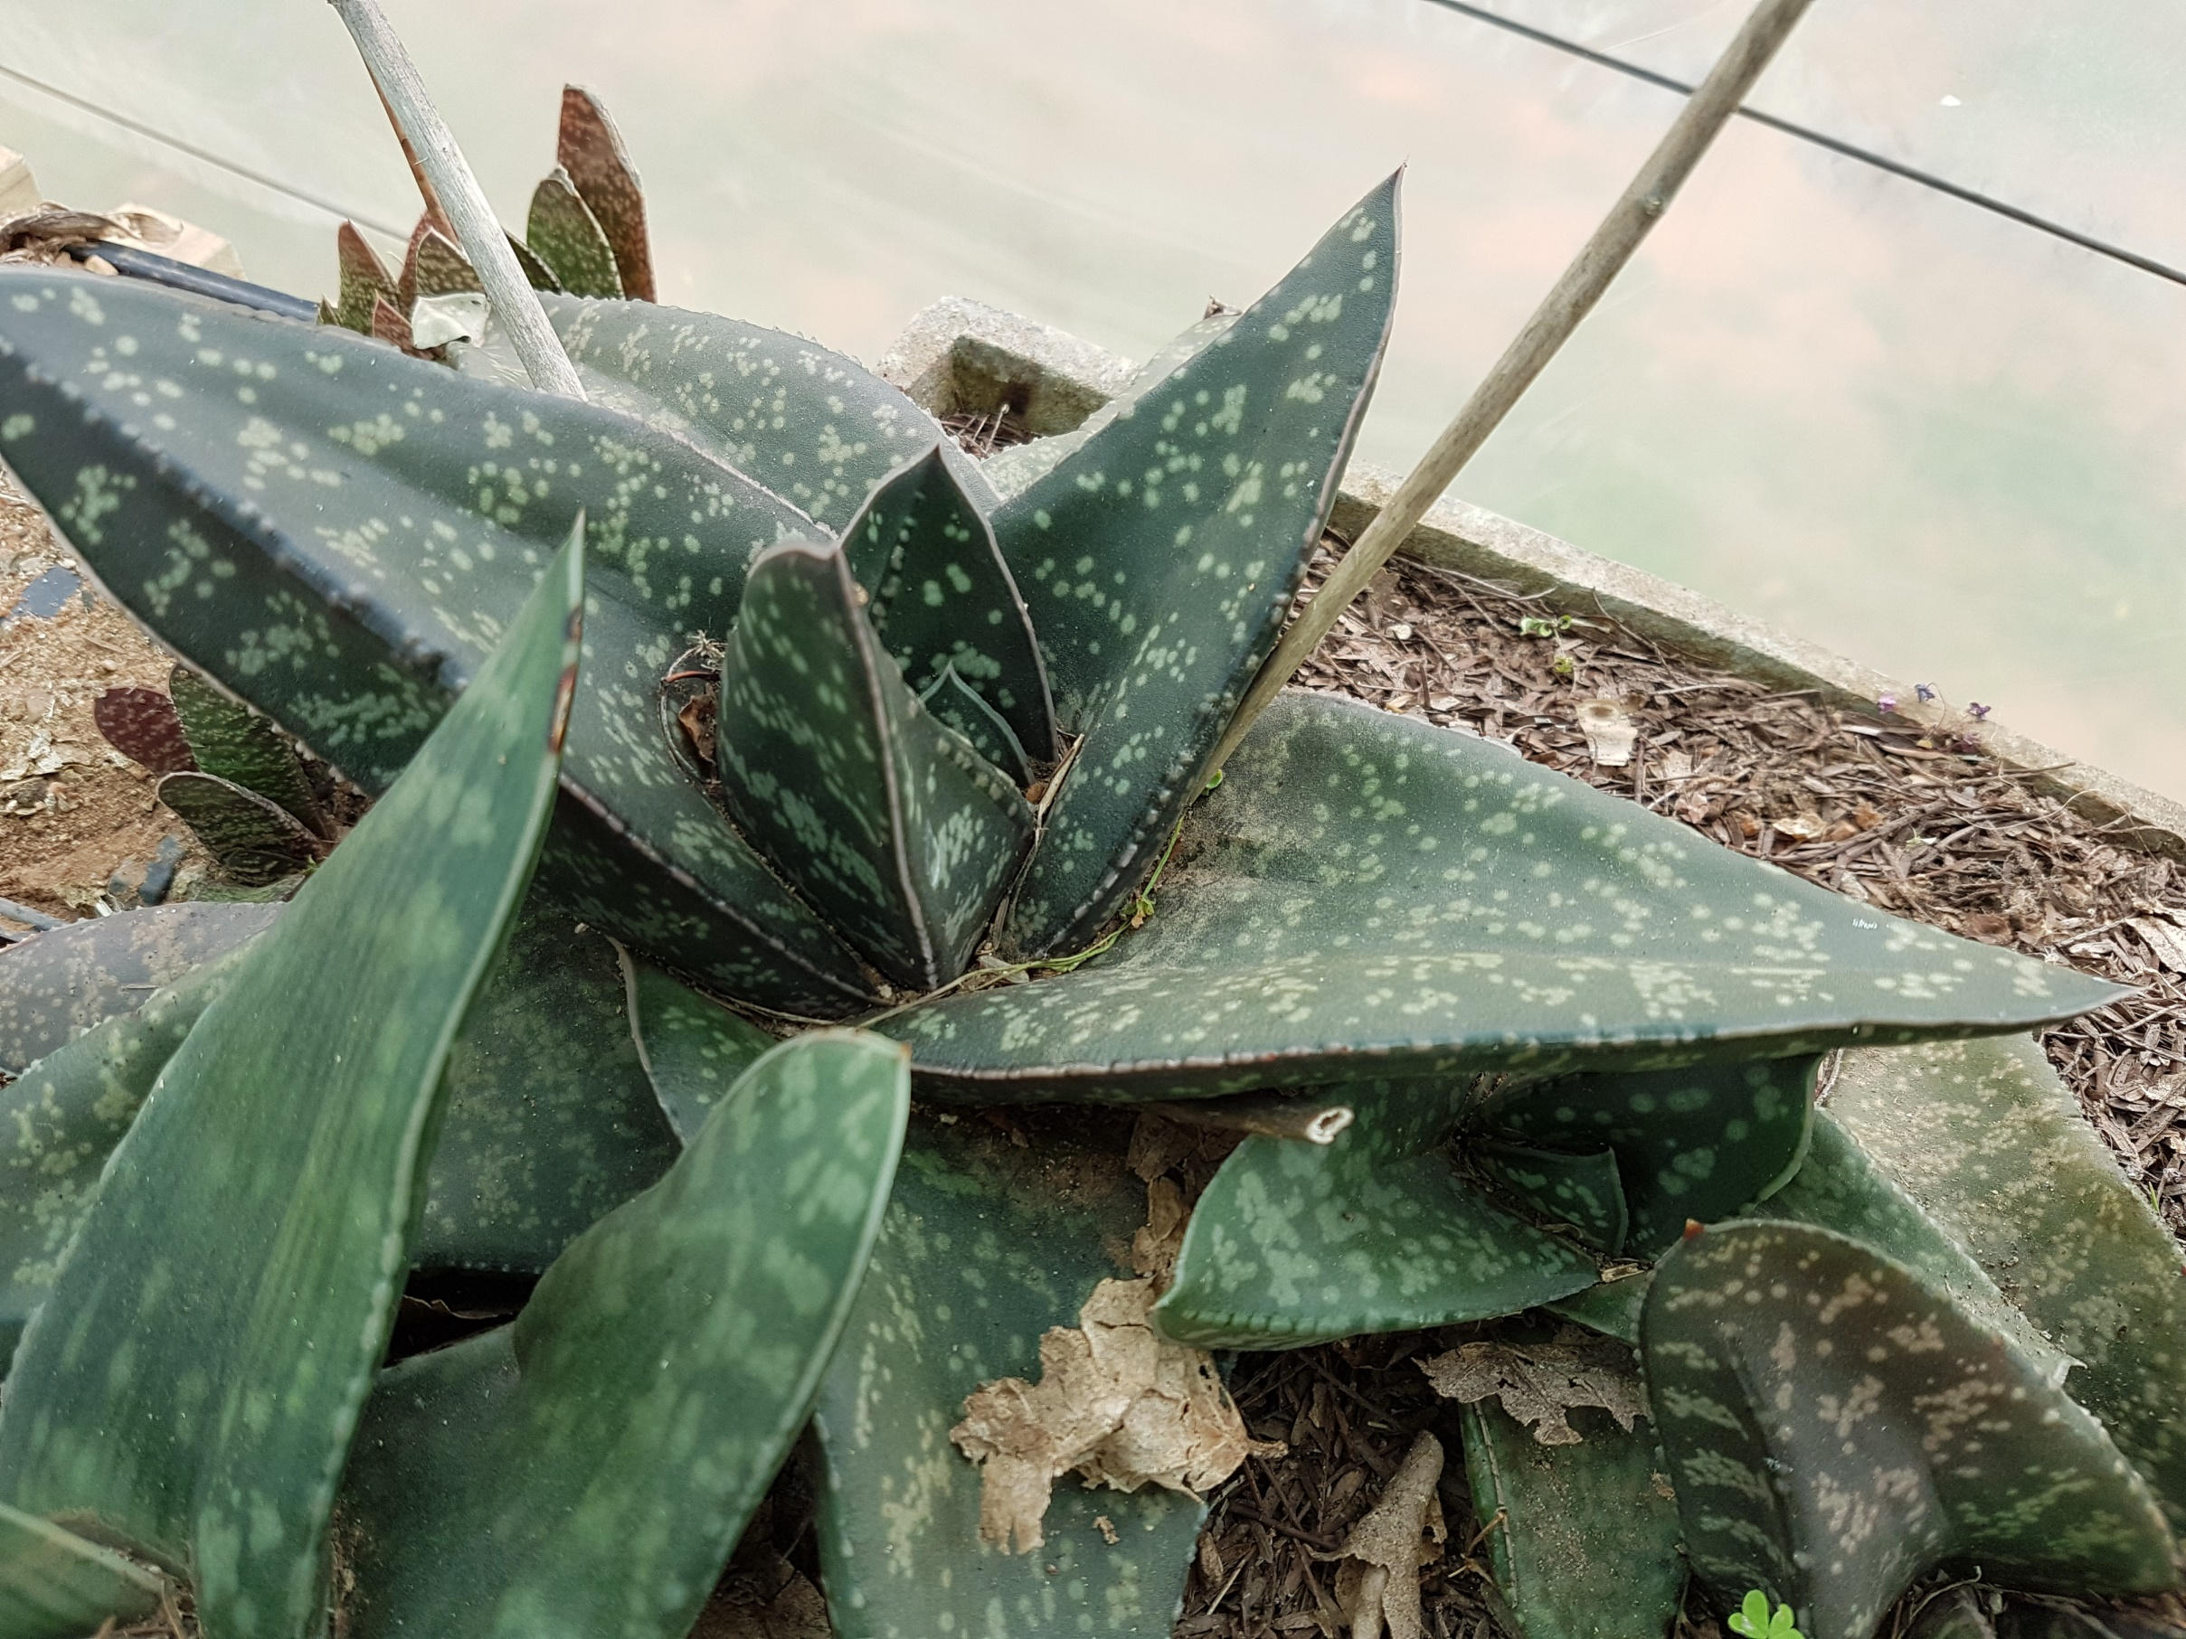
 | ellaphieae | 509-89 | Type (Ltd) | 60 | 215
 | ellaphieae | EVJ 111 |  | 55 | 215
 | glomerata |  | no locality | 45 | 215
 | glomerata |  | Paul Sauer Dam | 45 | 215
 | glomerata |  | Infanta | 45 | 215
 | glomerata |  | Kouga Dam | 45 | 215
 | nitida | v armstrongii | Jeffreys Bay | 45 | 215
 | nitida | v armstrongii | WBT149-94 | 45 | 215
 | pillansii | 482-86 | Boskloof Pass | - | 215 | Sold out
 | pillansii | 4152 | Hellskloof | - | 215 | Sold out
 | pillansii | 1392-69 | Kroukrammaberg | 60 | 215
 | pillansii |  | Ockerskraal | 60 | 215
 | pillansii |  | Olienhoutplaas | 60 | 215
 | pillansii |  | Boelhouer |  |  | Sold out
 | pillansii |  | Vredendal | 60 | 215
 | pillansii |  | Bakleiplaas |  |  | Sold out
 | pillansii |  | Koelfontein | - | 215 | Sold out
 | pulchra |  | Hankey | - | 215 | Sold out
 | rawlinsonii |  | Baviaanskloof | - | 215 | Sold out
 | rawlinsonii |  | Geelhoutbaai | 55 | 215
 | vlokii |  | Prince Albert (Ltd) | 60 | 215
 | hybrids |  |  | 45 | 215
GIBBAEM
 | album |  | Springfontein (cuttings) | 55
 | dispar |  | van Wyksdorp (cuttings) | 55
 | geminum |  | Adamskraal | 55 | 150
 | gibbosum |  | Avondrust | 55
 | nuciforme |  | clumps | 70
 | pubescens |  |  | 55 | 150
GLOTTIPHYLUM
 | depressum |  |  | 35
 | semicylindricum |  |  | 35
HAWORTHIA ……. SEE SEPARATE LIST

KALANCHOE
 | beharense | rooted cuttings | small (Ltd) | 50 | 150
 | beharense | specimens from 65cm to 1.3m (Ltd) |  | 1,100 | 2800
 | fedschenkoi |  |  | 40 | 70
 | longiflora |  |  | 40 | 70
 | manganii |  |  | 30 | 50
 | marmorata |  | limited | 45 | 175
 | milloti |  |  | 35
 | orgyalis |  |  | 45 | 150
 | pumila |  | Madagascar | 35 | 70 | sold out
 | rhombopilosa |  |  | 45
 | thyrsiflora |  | small to large | 40 | 175
 | tomentosa |  |  | 40
KEDOSTRIS
 | capensis |  | ltd | 145
KUMARA
 | plicatilis | (Aloe plicatillis) | seedlings | 40
 | plicatilis |  | 20cm -30cm | 65 | 180
 | plicatilis |  | 30-35cm | 220
 | plicatilis |  | 30cm-50cm (Visible stem) | 300 | 450
 | plicatilis |  | branched /split | 680 | 1500
 | plicatilis |  | Large +/-80cm | 1,650
 | plicatilis |  | specimen from | 4,900
LAMPRANTHUS
 | species | pink/purple |  | 35 | 65
LITHOPS |  | (per head)
 | karasmontana | v karasmontana |  | 27 |  | sold out
 | lesliei |  |  | 27
 | marmorata | Richtersveld |  | 27 |  | sold out
 | naureeniae | C304 |  | 27
 | olivacea |  |  | 27
 | salicola | Luckhoff | C034 | 27
 | salicola |  | Kraankuil, Gamoep | 27
MONADENIUM
 | schubei |  |  | 45 | 150
MONILARIA
 | moniliformis |  | seedlings to large | 85 | 280
 | pisiformis |  |  | 85 | 280
MUIRIA
 | hortenseae |  |  |  |  | sold out
NANANTHUS
 | aloides |  |  | 65
NEOHENRICIA
 | sibbettii |  |  | 50
NYMANIA
 | capensis (Klapperbos) |  | 4-6 plants per bag | 95 |  | sold out
OTHONNA
 | arbuscula |  |  | 65 | 195
 | cyclophylla |  | rooted cuttings | 265 | POR
 | lobata |  |  | 58 | 475
 | protecta |  | small | 50
 | protecta |  | large | 135
 | triplenervia |  | SEEDLINGS | 50 | 160
PACHYPODIUM | CITES
 | geayi | seedlings - large | small | 75 | 450
 | lamerei |  | Small | 45
 |  |  | 25-30cm | 155
 |  |  | Larger than 30cm - R13/cm | 390
 | namaquanum |  | ZAR / cm | 250 | POR
 | saundersii |  | small to medium | 85 | 250
 | succulentum |  | small to medium | 85 | 250
PELARGONIUM
 | alternans |  | (fine leaves) | 65 | 400
 | bowkeri |  |  | - | no stock | sold out
 | carnosum |  |  |  |  | sold out
 | crithmifolium |  |  | 40 | 400
 | echinatum |  |  | 40 | 400
 | fulgidum |  | (red flower) | 30 | 80
 | gibbosum |  | CUTTINGS | 30 |  | sold out
 | lobatum |  |  | 80 | POR
 | magenteum | (rhodanthum) |  | 60
 | tetragonum |  |  | 40
 | triste | (CITES) |  | 80 | POR
 | xerophyton |  |  | 80 | 250
PETOPENTIA
 | natalensis |  | small--med | 45 | 1200
PLEIOSPILOS
 | bolusii |  | seedlings (5cm pot size) | 30
 | bolusii |  |  | 65 | 210
 | fergusoniae |  |  | 65
 | nelii |  |  | 65 | 210
 | nellii "Royal flush" |  | seedlings (5cm pot size) | 30
 | nellii "Royal flush" |  |  | 90 | 210
 | simulans |  |  | 65 | 210
PORTULACARIA
 | afra (spekboom) |  | cuttings | 10
 | afra (spekboom) |  |  | 45 | 480
SANSEVERIA
 | pearsonii | (buckhorn) | small-large | 55 | 300
 | trifasciata | (silver queen) |  | 60
SARCOCAULON | (MONSONIA)
 | cilliata |  | rooted cuttings | 130 | 265
 | crassicaule |  |  | 135
 | spinosum |  | rooted cuttings | 170 |  | sold out
 | vanderietiae |  | rooted cuttings | 38 | 265
SCELETUM
 | ovatum (syn. Tortuosum) |  | rooted cuttings | 20 | 80
SEDUM
 | morganianum | (donkey tail) |  | 45
SEMPERVIVUM
 | arachnoideum |  |  | 40
 | calcareum |  |  | 40
SENECIO
 | articulatus |  | S. Laingsburg | 20
 | ficioides (Blue chalksticks) |  | Rooted cuttings | 25
 | fulgens |  |  | 35
 | hallianus |  |  | 25
 | haworthii |  |  | 35 | 95
 | muirii |  | Gouritz River | 20
 | latisipes |  |  | 40 | 60
 | peregrinus | (string of dolphins) |  | 30 | 250
 | rawleyanus | (string of pearls) |  | 30 | 125
 | rawleyanus variegated |  |  | 40 | 125
 | scaposus |  |  | 55
 | sulcicalyx | PVB | Beauvallon | 20
 | stapeliaeformis |  |  |  |  | sold out
STOMATIUM
 | mustellinum |  |  | 35
STRELITZIA
 | regina |  |  | 65
 | juncea |  |  |  | sold out | sold out
 | regina X juncea |  |  | 75 | 380
TALINUM
 | caffra |  |  | 40 | 100
TITANOPSIS
 | calcarea |  |  | 65 | 160
 | fulleri |  |  | 65
 | primosii |  |  | 65 |  | sold out
 | schwantesii |  |  | 65
 | hugo schlegteri |  |  | 65
TRICHODIADEMA
 | densum |  | rooted cuttings | 25
TYLECODON
 | aurusbergensis |  | rooted cuttings | 135 |  | sold out
 | buchholzianus |  | rooted cuttings | 80 | 450
 | cacalioides |  |  | 125 | 350
 | faucium |  |  | 135 |  | sold out
 | grandiflora |  | rooted cutting | 80

 | luteosquamatus | (pearsonii) | small <10cm | 135
 | luteosquamatus | (pearsonii) |  | 250 | POR
 | paniculatus |  | small <10cm | 50 | 125
 | paniculatus |  | 10-20cm branched | 150 | 280
 | paniculatus |  | large | 350 | 650
 | paniculatus |  | specimen | POR
 | reticulatus | (CITES III) | small <5cm | 135
 | reticulatus |  | small >5cm | 200 | 450
 | reticulatus | (CITES III) | medium | 675
 | reticulatus | (CITES III) | large | POR
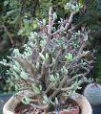
 | reticulatus | (CITES III) | specimen | POR
 | reticulatus | v phyllopodium |  | 135 | 450
 | scheferanus |  | rooted cuttings | 80
 | stenocaulis |  | rooted cuttings | 70
 | torulosus |  |  | 135
 | ventricosus |  | rooted cutting | 350 |  | sold out
 | wallichii |  | small | 125 | 350
 | wallichii |  | medium | 450
 | wallichii |  | large…specimen | 850 | POR
TOTAL

PLEASE SUPPLY SHIPPING ADDRESS / POSTNET ADDRESS /ADDRESS IN CHINESE IF APPLICABLE
Name
Adress

Email address
Cell phone Nr

